AWS-us-west-2 CW logs pricing
# sensors | 1,000 | 10,000 | 100,000 | 170,000 | 1,000,000
Log Data Ingestion volume
Data ingested per day | 41mb | 412mb | 4,120mb | 7,004mb | 41,199mb
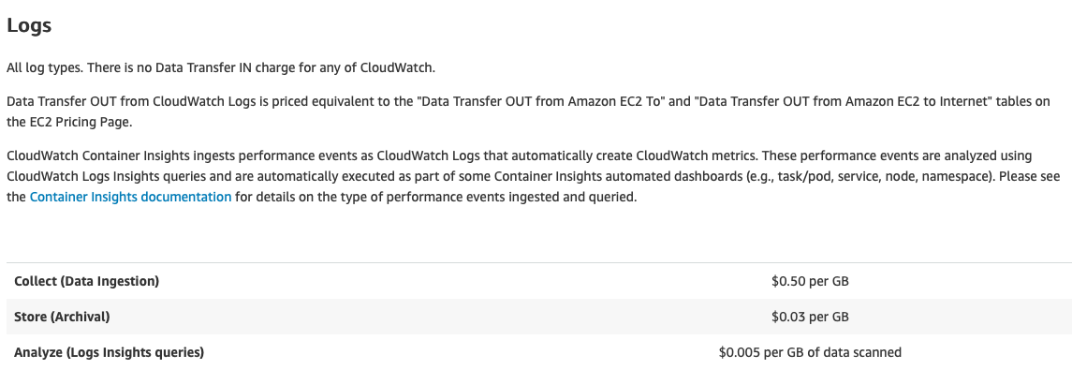
Data ingested in 7 days | 288mb | 2,884mb | 28,839mb | 49,026mb | 288,391mb
Data ingested in 30 days | 2,019mb | 20,187mb | 201,874mb | 343,185mb | 2,018,738mb
Data ingested in 90 days | 14,131mb | 141,312mb | 1,413,116mb | 2,402,298mb | 14,131,165mb
Log Data Ingestion costs
Data Ingestion costs per day | $0.02 | $0.20 | $2.01 | $3.42 | $20.12
Data Ingestion costs per 7 days | $0.14 | $1.41 | $14.08 | $23.94 | $140.82
Data Ingestion costs per 30 days | $0.60 | $6.03 | $60.35 | $102.59 | $603.50
Data Ingestion costs per 90 days | $1.81 | $18.10 | $181.05 | $307.78 | $1,810.49
Log Storage costs
Storage with 1 day retention | $0.001207 | $0.00181 | $0.0181 | $0.0308 | $0.181
Storage with 7 days retention | $0.00845 | $0.0127 | $0.127 | $0.215 | $1.27
Storage with 30 days retention | $0.03621 | $0.0543 | $0.543 | $0.923 | $5.43
Storage with 90 days retention | $0.1086 | $0.163 | $1.63 | $2.77 | $16.29
DynamoDB costs
Sensor test keys | $1.2500 | $1.2500 | $1.2500 | $1.2500 | $1.2500

AWS pricing: https://aws.amazon.com/cloudwatch/pricing/

AWS pricing: https://aws.amazon.com/dynamodb/pricing/on-demand/

Storage compression ratio (read comment for more info) | 15%
$ storage per GB | $0.03
$ collection per GB | $0.50
$ single log query per GB scanned | $0.005
bytes in a single event | 150
$ single entry ingest | $0.00000007
$ single entry storage | $0.000000004191
heartbeat interval minutes | 5
# of graphs in Grafana dashboard | 7

